Sheet1
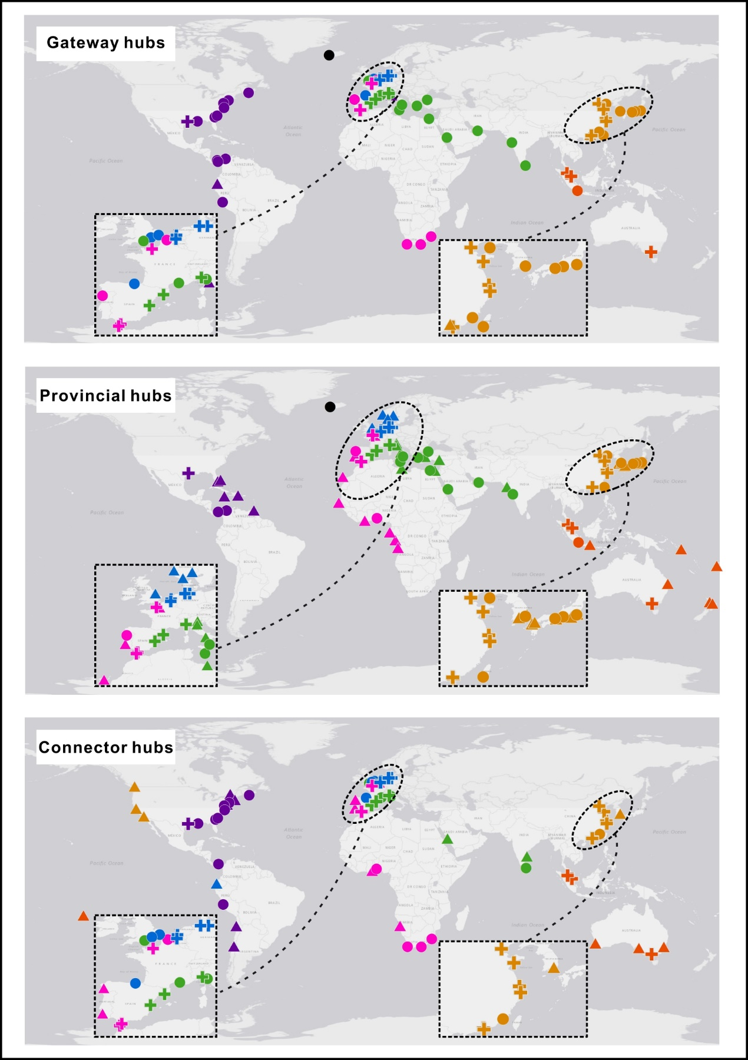
Port | Community Number | Role | Outside-module degree, B | Inside-module degree, Z | Participation coefficient, P
Singapore | 6 | ✚ | 7.5429 | 4.6821 | 0.7843
Antwerp | 4 | ✚ | 6.8484 | 3.5061 | 0.7912
Rotterdam | 4 | ✚ | 6.3186 | 4.5505 | 0.7926
Shanghai | 3 | ✚ | 5.7411 | 3.393 | 0.7446
Tanjung Pelepas | 6 | ✚ | 5.2847 | 1.8249 | 0.7793
Port Kelang | 6 | ✚ | 5.2421 | 2.4598 | 0.7596
Valencia | 7 | ✚ | 5.0057 | 2.2423 | 0.7501
Hamburg | 4 | ✚ | 4.9939 | 3.8542 | 0.7843
Le Havre | 2 | ✚ | 4.9598 | 1.5672 | 0.8024
Genoa | 7 | ✚ | 4.645 | 2.1303 | 0.7569
Ningbo-Zhoushan | 3 | ✚ | 4.5848 | 2.649 | 0.7331
Houston | 1 | ✚ | 4.5029 | 2.2523 | 0.7742
Shenzhen | 3 | ✚ | 4.3746 | 1.7278 | 0.7617
Hong Kong | 3 | ✚ | 4.0943 | 2.7553 | 0.7231
Barcelona | 7 | ✚ | 3.9752 | 1.9623 | 0.7401
Algeciras | 2 | ✚ | 3.8377 | 2.2249 | 0.7337
Qingdao | 3 | ✚ | 3.7789 | 2.2238 | 0.7363
Tianjin | 3 | ✚ | 3.3935 | 2.2947 | 0.712
Tangier | 2 | ✚ | 3.0177 | 1.7134 | 0.7542
Bremerhaven | 4 | ✚ | 2.4329 | 2.9258 | 0.7188
Melbourne | 6 | ✚ | 1.8336 | 1.5868 | 0.731
Savannah | 1 | ● | 4.5955 | 1.3395 | 0.7847
Busan | 3 | ● | 4.5498 | 4.1725 | 0.6787
NewYork-NewJersey | 1 | ● | 3.8085 | 1.3395 | 0.7829
Colombo | 7 | ● | 3.46 | 1.3463 | 0.7681
Reykjavik | 5 | ● | 3.4407 | 1.8532 | 0.5508
Kaohsiung | 3 | ● | 3.0782 | 2.0112 | 0.6992
Durban | 2 | ● | 2.7588 | 0.6903 | 0.7973
New Orleans | 1 | ● | 2.7438 | 1.1683 | 0.7757
Norfolk | 1 | ● | 2.6975 | 0.7118 | 0.7515
London | 4 | ● | 2.6684 | 1.3592 | 0.7635
Dalian | 3 | ● | 2.6577 | 2.0466 | 0.6933
Jebel Ali | 7 | ● | 2.5841 | 3.2502 | 0.6406
Fos | 7 | ● | 2.5841 | 1.1223 | 0.7438
Cartagena (Col) | 1 | ● | 2.466 | 2.8229 | 0.6668
Balboa | 1 | ● | 2.466 | 0.2554 | 0.737
Piraeus | 7 | ● | 2.4295 | 2.7463 | 0.6572
Yokohama | 3 | ● | 2.4124 | 3.5347 | 0.5807
Bilbao | 4 | ● | 2.3741 | 0.4308 | 0.8021
Manzanillo (Pan) | 1 | ● | 2.3271 | 2.3094 | 0.6873
Charleston | 1 | ● | 2.3271 | 0.9971 | 0.7479
Xiamen | 3 | ● | 2.3073 | 1.2317 | 0.7142
Baltimore | 1 | ● | 2.2345 | 0.826 | 0.7557
Gioia Tauro | 7 | ● | 2.2234 | 1.9063 | 0.6749
Southampton | 7 | ● | 2.2234 | 0.0584 | 0.7774
La Spezia | 7 | ● | 2.1204 | 1.1783 | 0.7255
Jeddah | 7 | ● | 2.0689 | 2.0743 | 0.6645
Felixstowe | 4 | ● | 2.0503 | 0.895 | 0.775
Mumbai | 7 | ● | 2.0174 | 1.7943 | 0.6848
Alexandria | 7 | ● | 1.9143 | 1.8503 | 0.6721
Halifax | 1 | ● | 1.9105 | 0.0842 | 0.7735
Dunkirk | 2 | ● | 1.8956 | 0.6903 | 0.7988
Callao | 1 | ● | 1.8179 | 0.3695 | 0.7057
Port Elizabeth | 2 | ● | 1.8093 | 0.0326 | 0.787
Istanbul | 7 | ● | 1.7597 | 2.7463 | 0.6007
Kobe | 3 | ● | 1.7467 | 3.2158 | 0.5293
Marsaxlokk | 7 | ● | 1.6567 | 3.1382 | 0.5679
Cape Town | 2 | ● | 1.6367 | 0.6172 | 0.7841
Jakarta | 6 | ● | 1.578 | 4.1266 | 0.5288
Leixoes | 2 | ● | 1.5072 | 3.0287 | 0.5851
Nagoya | 3 | ● | 1.5014 | 3.2513 | 0.498
Lagos (Nigeria) | 2 | ● | 1.2914 | 1.7864 | 0.7017
Livorno | 1 | ▲ | 3.0215 | 0.9401 | 0.6876
Guangzhou | 3 | ▲ | 1.8868 | 1.3735 | 0.6704
Guayaquil | 1 | ▲ | 1.7253 | 0.7689 | 0.6544
Sydney | 6 | ▲ | 1.4927 | 1.19 | 0.7261
Oakland | 3 | ▲ | 1.4664 | 0.3106 | 0.7397
Izmir | 7 | ▲ | 1.3476 | 2.7463 | 0.5355
Mundra | 7 | ▲ | 1.3476 | 1.7383 | 0.6281
Sines | 2 | ▲ | 1.3346 | -0.0404 | 0.7881
Tauranga | 6 | ▲ | 1.3223 | 2.1424 | 0.6043
Port Said | 7 | ▲ | 1.296 | 2.4663 | 0.5586
Lisbon | 2 | ▲ | 1.2914 | 2.7364 | 0.646
Vancouver (Canada) | 3 | ▲ | 1.2912 | 0.2751 | 0.7113
Los Angeles | 3 | ▲ | 1.2561 | 0.4523 | 0.7096
Salerno | 7 | ▲ | 1.2445 | 1.9063 | 0.5885
Camden | 1 | ▲ | 1.216 | -0.3722 | 0.7762
Miami | 1 | ▲ | 1.1235 | 2.4806 | 0.5469
San Antonio (Chile) | 1 | ▲ | 1.1235 | 0.0842 | 0.7358
Chennai | 7 | ▲ | 1.0384 | -0.1096 | 0.7106
Caucedo | 1 | ▲ | 1.0309 | 1.7388 | 0.5837
Fremantle | 6 | ▲ | 0.9815 | 0.6344 | 0.7024
Kwangyang | 3 | ▲ | 0.9758 | 2.2238 | 0.4809
Tema | 2 | ▲ | 0.9461 | 0.6172 | 0.751
Auckland | 6 | ▲ | 0.9389 | 2.3011 | 0.5556
Adelaide | 6 | ▲ | 0.8963 | 0.0788 | 0.7049
Abidjan | 2 | ▲ | 0.8598 | 2.1518 | 0.6375
Mersin | 7 | ▲ | 0.8323 | 1.9063 | 0.5351
Kingston (Jamaica) | 1 | ▲ | 0.7994 | 3.1652 | 0.4566
Pointe Noire | 2 | ▲ | 0.7735 | 2.1518 | 0.6231
Tokyo | 3 | ▲ | 0.7656 | 2.3301 | 0.4368
Masan | 3 | ▲ | 0.7656 | -0.0437 | 0.7176
Las Palmas | 2 | ▲ | 0.7303 | 2.1518 | 0.6175
Luanda | 2 | ▲ | 0.7303 | 1.9326 | 0.6308
Freeport (Bah) | 1 | ▲ | 0.6605 | 2.3094 | 0.4854
Puerto Angamos | 1 | ▲ | 0.6605 | -0.4863 | 0.7448
Brisbane | 6 | ▲ | 0.6406 | 2.3805 | 0.4733
King Abdullah | 7 | ▲ | 0.6262 | 0.0024 | 0.7053
Walvis Bay | 2 | ▲ | 0.5577 | 0.5442 | 0.716
Surabaya | 6 | ▲ | 0.5554 | 2.2217 | 0.4411
Papeete | 6 | ▲ | 0.5128 | 0.0788 | 0.7048
Dakar | 2 | ▲ | 0.4282 | 1.7134 | 0.5716
Osaka | 3 | ▲ | 0.3451 | 2.8615 | 0.287
Venice | 7 | ▲ | 0.3171 | 1.9063 | 0.4252
Suva | 6 | ▲ | 0.2572 | 1.6662 | 0.4058
Montreal | 1 | ▲ | 0.2439 | -0.6575 | 0.7253
Immingham | 4 | ▲ | 0.1369 | 1.9975 | 0.3424
Honiara | 6 | ▲ | 0.1293 | 1.9043 | 0.3503
Port Everglades | 1 | ▲ | 0.105 | 3.5646 | 0.2706
Port of Spain | 1 | ▲ | 0.105 | 2.1382 | 0.3399
Misurata | 7 | ▲ | 0.0595 | 1.5703 | 0.3667
Vlissingen | 2 | ▲ | 0.0398 | -0.8443 | 0.7486
Ulsan | 3 | ▲ | 0.0298 | 1.9404 | 0.2393
Manta | 4 | ▲ | -0.0103 | -1.0198 | 0.7337
Rouen | 2 | ▲ | -0.0465 | 1.5672 | 0.4383
Marin | 2 | ▲ | -0.0465 | -0.8443 | 0.7166
Boston (US) | 1 | ▲ | -0.1265 | -0.9428 | 0.7109
Moji | 3 | ▲ | -0.1454 | 1.7278 | 0.167
Shimizu | 3 | ▲ | -0.1805 | 1.5152 | 0.1653
Port Gentil | 2 | ▲ | -0.2623 | 1.5672 | 0.344
Hull | 4 | ▲ | -0.2752 | 2.9258 | 0
Oslo | 4 | ▲ | -0.2752 | 1.8814 | 0
Bergen | 4 | ▲ | -0.2752 | 1.8814 | 0
Kristiansand | 4 | ▲ | -0.2752 | 1.6493 | 0
Ravenna | 7 | ▲ | -0.3527 | 1.5703 | 0.1983
Hakata | 3 | ▲ | -0.3557 | 1.8341 | 0.0465

